BASIC JOINS
Employees |  |  | Toronto Postal Codes
EmpID | Name | PostalCode | PostalID | PostalCode | City | District | Population
1 | Thomas | L8P | 1 | M1L | Toronto | Scarborough | 35833
2 | Niyaz | M4H | 2 | M8Y | Toronto | Etobicoke | 21986
3 | James | M6C | 3 | M3H | Toronto | North York | 38416
4 | Laura | M4M | 4 | M4H | Toronto | East York | 18698
 |  |  | 5 | M6C | Toronto | York | 23997
 |  |  | 6 | M4M | Toronto | Old Toronto | 25052

INNER JOIN
EmpID | Name | e.PostalCode | pc.PostalCode | PostalID | City | District | Population | 3 rows
2 | Niyaz | M4H | M4H | 4 | Toronto | East York | 18698 | Only matching M4H, M6C, M4M
3 | James | M6C | M6C | 5 | Toronto | York | 23997 | Thomas doesn't live in Toronto so no match
4 | Laura | M4M | M4M | 6 | Toronto | Old Toronto | 25052 | No one lives in M1L, M8Y, M3H

LEFT JOIN
EmpID | Name | e.PostalCode | pc.PostalCode | PostalID | City | District | Population | 4 rows
1 | Thomas | L8P | null | null | null | null | null | Maching M4H, M6C, M4M
2 | Niyaz | M4H | M4H | 4 | Toronto | East York | 18698 | Thomas doesn't live in Toronto so no corresponding POSTALCODE data
3 | James | M6C | M6C | 5 | Toronto | York | 23997 | No one lives in M1L, M8Y, M3H
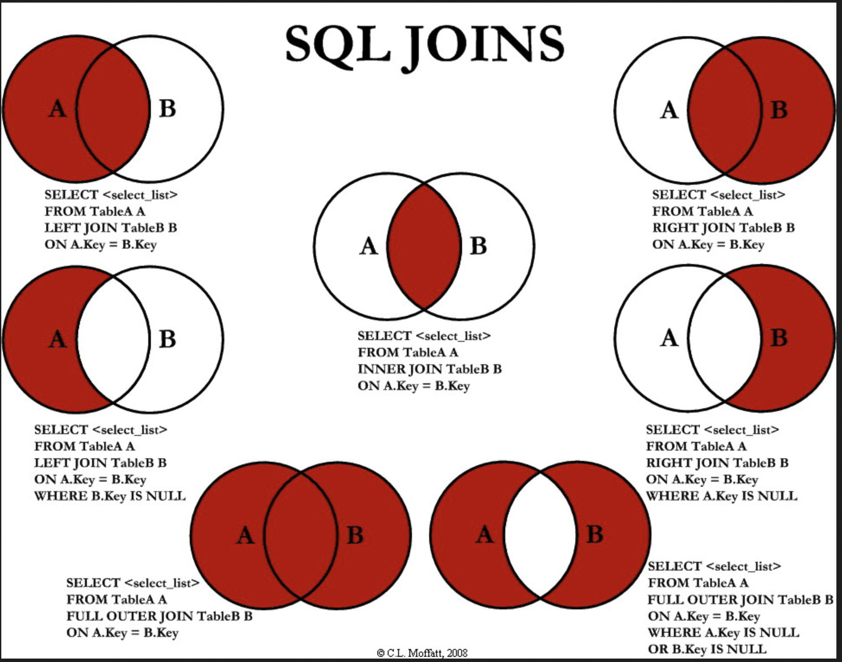
4 | Laura | M4M | M4M | 6 | Toronto | Old Toronto | 25052

RIGHT JOIN
EmpID | Name | e.PostalCode | pc.PostalCode | PostalID | City | District | Population | 6 rows
null | null | null | M1L | 1 | Toronto | Scarborough | 35833 | Maching M4H, M6C, M4M
null | null | null | M8Y | 2 | Toronto | Etobicoke | 21986 | Thomas doesn't live in Toronto so no match
null | null | null | M3H | 3 | Toronto | North York | 38416 | No one lives in M1L, M8Y, M3H so no corresponding EMPLOYEE data
2 | Niyaz | M4H | M4H | 4 | Toronto | East York | 18698
3 | James | M6C | M6C | 5 | Toronto | York | 23997
4 | Laura | M4M | M4M | 6 | Toronto | Old Toronto | 25052

FULL OUTER JOIN
EmpID | Name | e.PostalCode | pc.PostalCode | PostalID | City | District | Population | 7 rows
1 | Thomas | L8P | null | null | null | null | null | Maching M4H, M6C, M4M
null | null | null | M1L | 1 | Toronto | Scarborough | 35833 | Thomas doesn't live in Toronto so no corresponding POSTALCODE data
null | null | null | M8Y | 2 | Toronto | Etobicoke | 21986 | No one lives in M1L, M8Y, M3H so no corresponding EMPLOYEE data
null | null | null | M3H | 3 | Toronto | North York | 38416 | No filtering at all
2 | Niyaz | M4H | M4H | 4 | Toronto | East York | 18698
3 | James | M6C | M6C | 5 | Toronto | York | 23997
4 | Laura | M4M | M4M | 6 | Toronto | Old Toronto | 25052

